A-2
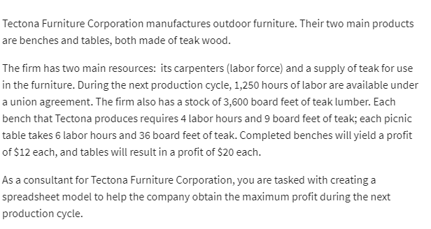
 | No.of benches | No.of tables
Variables: | 260 | 35

Objective (max) |  |  | Total:
Profit: | $12 | $20 | $3,820

Constraints |  |  | LHS | Sign | RHS
labour hours | 4 | 6 | 1250 | <= | 1250
teak(ft) | 9 | 36 | 3599.9998923 | <= | 3600

